FCI Summary
Building Name: | Roseville Avenue | 2012 LRFP CONDITION SUMMARY
Building Square Footage: | 14,550
Number of Floors: | B + 3
School Age (years): | 129

FACILITY CONDITION

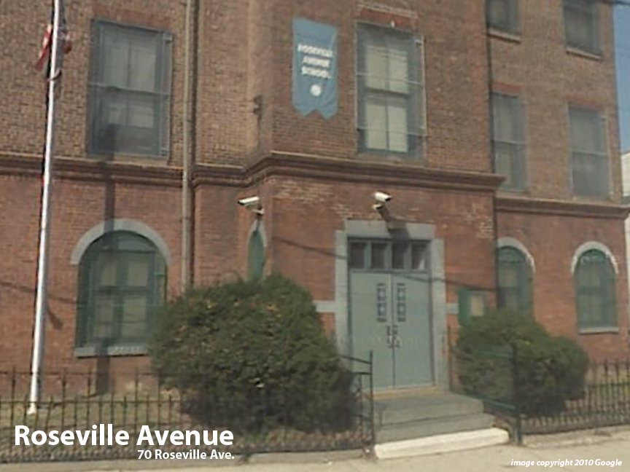
Facility Condition Index (FCI) Score = | 53%

Facility Condition = | VERY POOR

FCI Deficiency Cost = | $1,587,014

FCI Replacement Cost = | $3,000,938

CAPACITY UTILIZATION

Recent 2012 Enrollment = | 156

Historic 2005 LRFP Capacity = | 193

Adjusted 2012 Capacity = | 172

Recent Occupancy % = | 91%

EDUCATION ADEQUECY

Classroom Adequacy % Score = | 81%

Classroom Adequacy = | FAIR

Special Spaces Adequacy % Score = | 10%

Special Spaces Adequacy = | VERY POOR

