FCI Summary
Building Name: | Rafael Hernandez | 2012 LRFP CONDITION SUMMARY
Building Square Footage: | 98,661
Number of Floors: | 3
School Age (years): | 17

FACILITY CONDITION

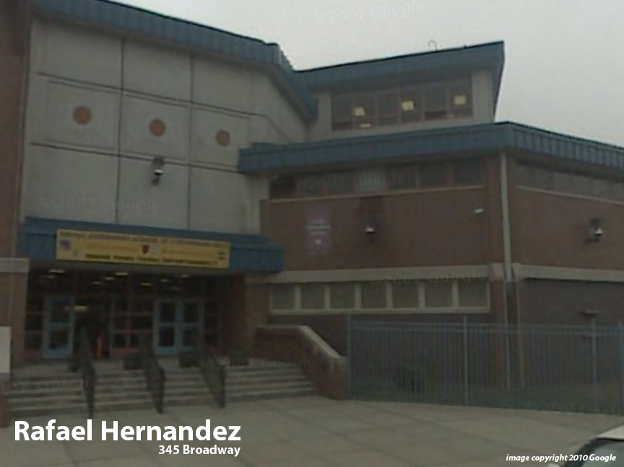
Facility Condition Index (FCI) Score = | 7%

Facility Condition = | GOOD

FCI Deficiency Cost = | $1,364,764

FCI Replacement Cost = | $20,348,831

CAPACITY UTILIZATION

Recent 2012 Enrollment = | 604

Historic 2005 LRFP Capacity = | 586

Adjusted 2012 Capacity = | 447

Recent Occupancy % = | 135%

EDUCATION ADEQUECY

Classroom Adequacy % Score = | 80%

Classroom Adequacy = | FAIR

Special Spaces Adequacy % Score = | 76%

Special Spaces Adequacy = | FAIR

