FCI Summary
Building Name: | Quitman Street | 2012 LRFP CONDITION SUMMARY
Building Square Footage: | 122,313
Number of Floors: | B + 3
School Age (years): | 51

FACILITY CONDITION

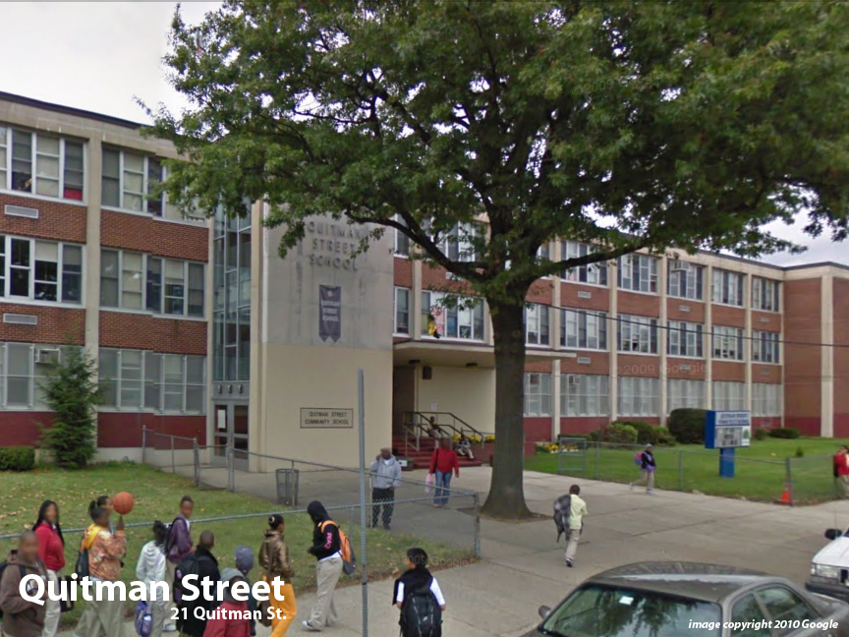
Facility Condition Index (FCI) Score = | 25%

Facility Condition = | FAIR

FCI Deficiency Cost = | $6,246,793

FCI Replacement Cost = | $25,227,056

CAPACITY UTILIZATION

Recent 2012 Enrollment = | 541

Historic 2005 LRFP Capacity = | 538

Adjusted 2012 Capacity = | 774

Recent Occupancy % = | 70%

EDUCATION ADEQUECY

Classroom Adequacy % Score = | 99%

Classroom Adequacy = | VERY GOOD

Special Spaces Adequacy % Score = | 81%

Special Spaces Adequacy = | FAIR

