FCI Summary
Building Name: | Oliver Street | 2012 LRFP CONDITION SUMMARY
Building Square Footage: | 89,294
Number of Floors: | B + 4
School Age (years): | 108

FACILITY CONDITION

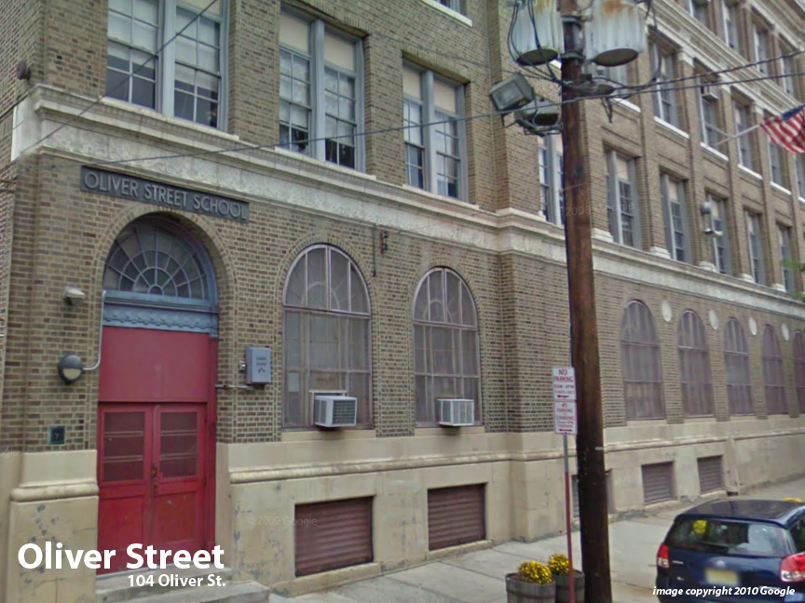
Facility Condition Index (FCI) Score = | 57%

Facility Condition = | VERY POOR

FCI Deficiency Cost = | $10,963,413

FCI Replacement Cost = | $19,222,500

CAPACITY UTILIZATION

Recent 2012 Enrollment = | 905

Historic 2005 LRFP Capacity = | 557

Adjusted 2012 Capacity = | 627

Recent Occupancy % = | 144%

EDUCATION ADEQUECY

Classroom Adequacy % Score = | 93%

Classroom Adequacy = | GOOD

Special Spaces Adequacy % Score = | 55%

Special Spaces Adequacy = | VERY POOR

