FCI Summary
Building Name: | New Jersey Regional | 2012 LRFP CONDITION SUMMARY
Building Square Footage: | 21,714
Number of Floors: | 1
School Age (years): | 29

FACILITY CONDITION

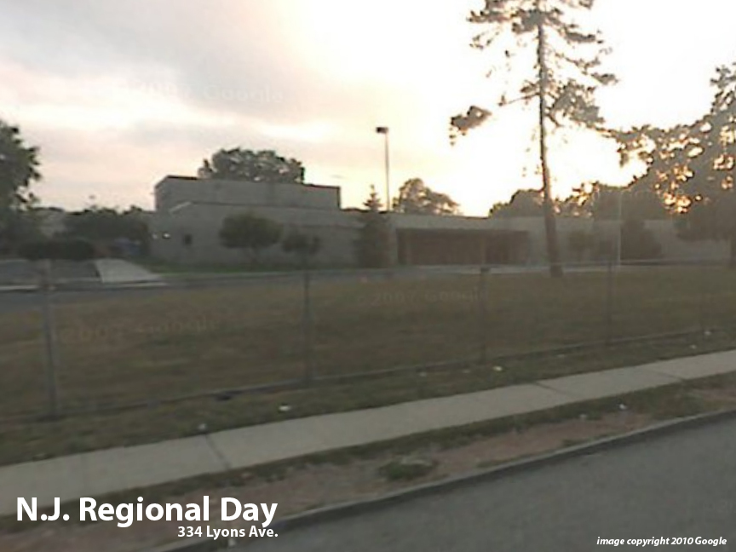
Facility Condition Index (FCI) Score = | 9%

Facility Condition = | GOOD

FCI Deficiency Cost = | $387,452

FCI Replacement Cost = | $4,478,513

CAPACITY UTILIZATION

Recent 2012 Enrollment = | 120

Historic 2005 LRFP Capacity = | 97

Adjusted 2012 Capacity = | 119

Recent Occupancy % = | 101%

EDUCATION ADEQUECY

Classroom Adequacy % Score = | 100%

Classroom Adequacy = | VERY GOOD

Special Spaces Adequacy % Score = | 31%

Special Spaces Adequacy = | VERY POOR

