FCI Summary
Building Name: | Mount Vernon | 2012 LRFP CONDITION SUMMARY
Building Square Footage: | 110,289
Number of Floors: | B + 2
School Age (years): | 57

FACILITY CONDITION

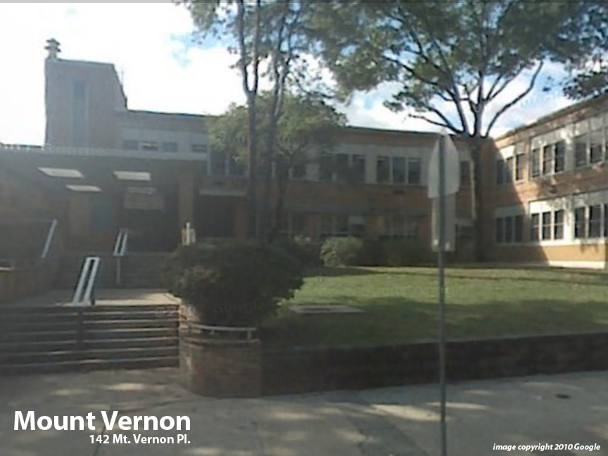
Facility Condition Index (FCI) Score = | 14%

Facility Condition = | GOOD

FCI Deficiency Cost = | $3,133,295

FCI Replacement Cost = | $22,747,106

CAPACITY UTILIZATION

Recent 2012 Enrollment = | 676

Historic 2005 LRFP Capacity = | 864

Adjusted 2012 Capacity = | 806

Recent Occupancy % = | 84%

EDUCATION ADEQUECY

Classroom Adequacy % Score = | 95%

Classroom Adequacy = | GOOD

Special Spaces Adequacy % Score = | 76%

Special Spaces Adequacy = | POOR

