FCI Summary
Building Name: | Madison Avenue | 2012 LRFP CONDITION SUMMARY
Building Square Footage: | 82,583
Number of Floors: | B + 3
School Age (years): | 108

FACILITY CONDITION

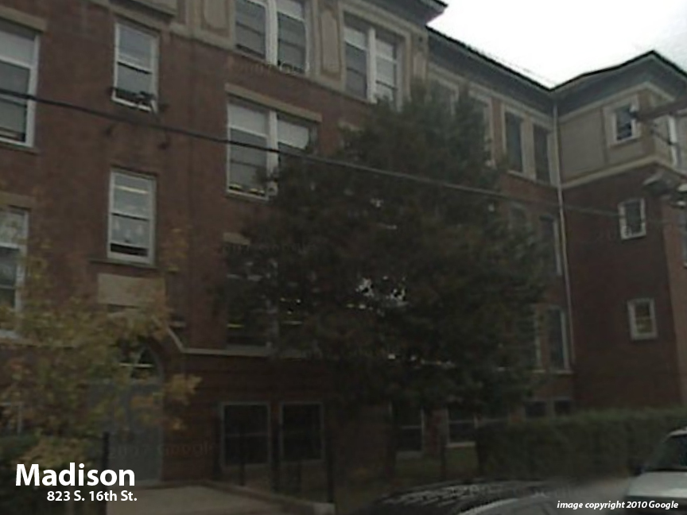
Facility Condition Index (FCI) Score = | 46%

Facility Condition = | POOR

FCI Deficiency Cost = | $7,891,392

FCI Replacement Cost = | $17,013,563

CAPACITY UTILIZATION

Recent 2012 Enrollment = | 455

Historic 2005 LRFP Capacity = | 695

Adjusted 2012 Capacity = | 560

Recent Occupancy % = | 81%

EDUCATION ADEQUECY

Classroom Adequacy % Score = | 83%

Classroom Adequacy = | FAIR

Special Spaces Adequacy % Score = | 56%

Special Spaces Adequacy = | VERY POOR

