FCI Summary
Building Name: | Dr. Martin L. King Jr. (Off-Line)
Building Square Footage: | 118,888 | 2012 LRFP CONDITION SUMMARY
Number of Floors: | B + 3
School Age (years): | 105

FACILITY CONDITION

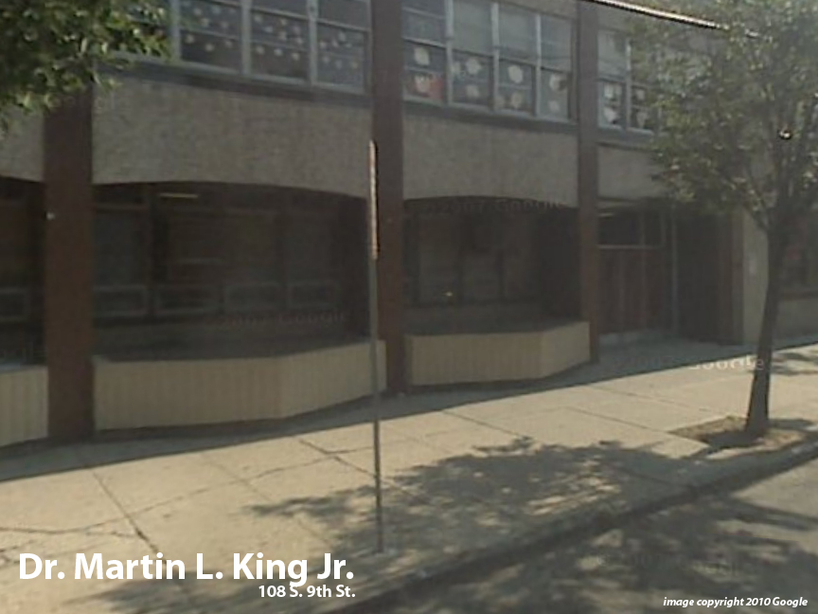
Facility Condition Index (FCI) Score = | 46%

Facility Condition = | POOR

FCI Deficiency Cost = | $11,389,821

FCI Replacement Cost = | $24,520,650

CAPACITY UTILIZATION

Recent 2018 Enrollment = | 0

Historic 2005 LRFP Capacity = | 650

Adjusted 2012 Capacity = | 528

Recent Occupancy % = | 0%

EDUCATION ADEQUECY

Classroom Adequacy % Score = | 98%

Classroom Adequacy = | VERY GOOD

Special Spaces Adequacy % Score = | 77%

Special Spaces Adequacy = | FAIR

