FCI Summary
Building Name: | Hawthorne | 2012 LRFP CONDITION SUMMARY
Building Square Footage: | 76,741
Number of Floors: | B + 3
School Age (years): | 104

FACILITY CONDITION

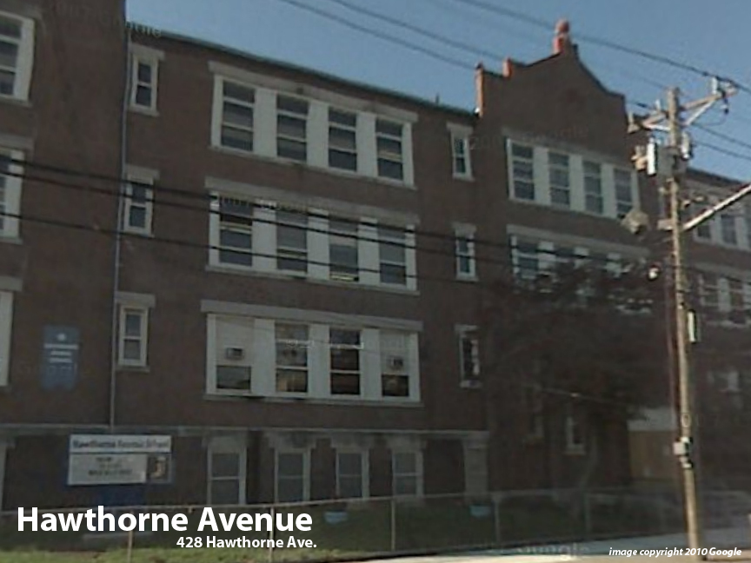
Facility Condition Index (FCI) Score = | 41%

Facility Condition = | POOR

FCI Deficiency Cost = | $6,487,555

FCI Replacement Cost = | $15,827,831

CAPACITY UTILIZATION

Recent 2012 Enrollment = | 340

Historic 2005 LRFP Capacity = | 290

Adjusted 2012 Capacity = | 594

Recent Occupancy % = | 57%

EDUCATION ADEQUECY

Classroom Adequacy % Score = | 95%

Classroom Adequacy = | GOOD

Special Spaces Adequacy % Score = | 38%

Special Spaces Adequacy = | VERY POOR

