FCI Summary
Building Name: | Gladys Hillman-Jones (Off-Line)
Building Square Footage: | 89,444 | 2013 LRFP CONDITION SUMMARY
Number of Floors: | 4 | Former Barringer 9th Grade Academy
School Age (years): | 101

FACILITY CONDITION

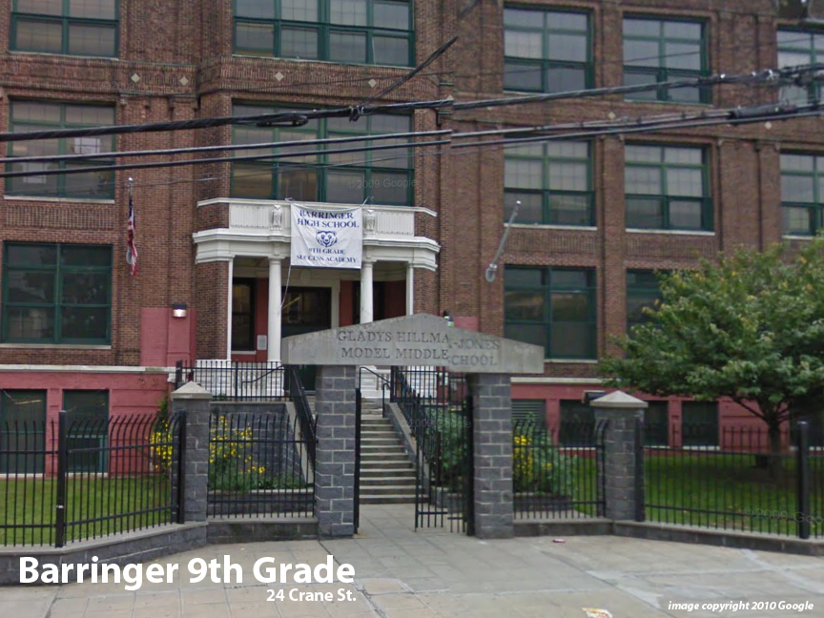
Facility Condition Index (FCI) Score = | 30%

Facility Condition = | FAIR

FCI Deficiency Cost = | $5,486,433

FCI Replacement Cost = | $18,447,825

CAPACITY UTILIZATION

Recent 2011/12 Enrollment = | 0

Historic 2005 LRFP Capacity = | 356

Adjusted 2012 Capacity = | 376

Recent Occupancy % = | 0%

EDUCATION ADEQUECY

Classroom Adequacy % Score = | 93%

Classroom Adequacy = | GOOD

Special Spaces Adequacy % Score = | 64%

Special Spaces Adequacy = | VERY POOR

