FCI Summary
Building Name: | Dr. E. Alma Flagg | 2012 LRFP CONDITION SUMMARY
Building Square Footage: | 75,406
Number of Floors: | 2
School Age (years): | 28

FACILITY CONDITION

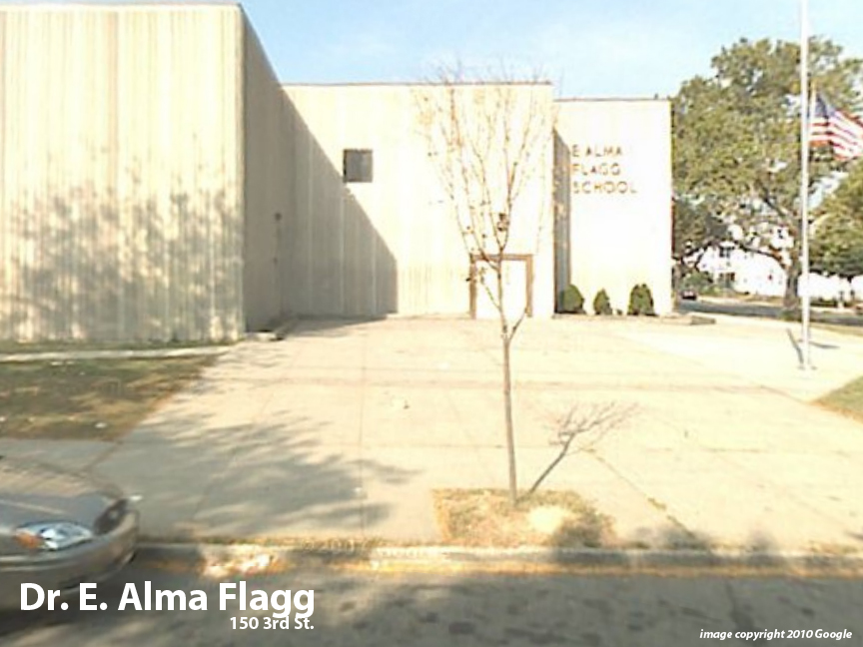
Facility Condition Index (FCI) Score = | 17%

Facility Condition = | GOOD

FCI Deficiency Cost = | $2,626,998

FCI Replacement Cost = | $15,552,488

CAPACITY UTILIZATION

Recent 2012 Enrollment = | 503

Historic 2005 LRFP Capacity = | 428

Adjusted 2012 Capacity = | 511

Recent Occupancy % = | 98%

EDUCATION ADEQUECY

Classroom Adequacy % Score = | 96%

Classroom Adequacy = | GOOD

Special Spaces Adequacy % Score = | 82%

Special Spaces Adequacy = | FAIR

