FCI Summary
Building Name: | First Avenue | 2012 LRFP CONDITION SUMMARY
Building Square Footage: | 188,424
Number of Floors: | B + 2
School Age (years): | 5

FACILITY CONDITION

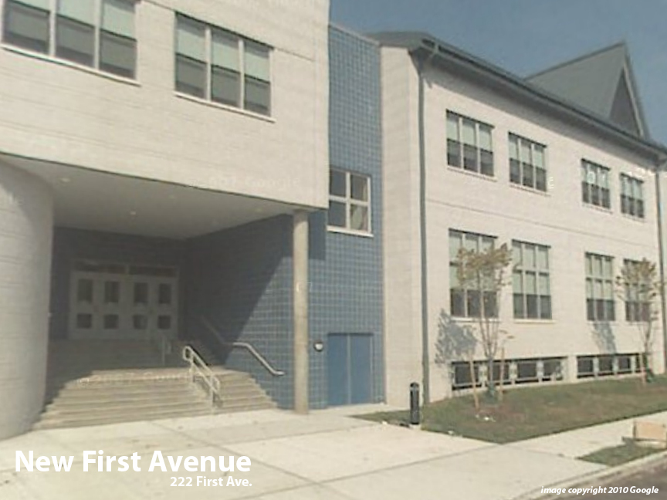
Facility Condition Index (FCI) Score = | 1%

Facility Condition = | VERY GOOD

FCI Deficiency Cost = | $291,468

FCI Replacement Cost = | $38,862,450

CAPACITY UTILIZATION

Recent 2012 Enrollment = | 1064

Historic 2005 LRFP Capacity = | 714

Adjusted 2012 Capacity = | 830

Recent Occupancy % = | 128%

EDUCATION ADEQUECY

Classroom Adequacy % Score = | 97%

Classroom Adequacy = | VERY GOOD

Special Spaces Adequacy % Score = | 98%

Special Spaces Adequacy = | VERY GOOD

