FCI Summary
Building Name: | Fast Track Success Academy
Building Square Footage: | 31,069 | 2012 LRFP CONDITION SUMMARY
Number of Floors: | B + 2
School Age (years): | 28

FACILITY CONDITION

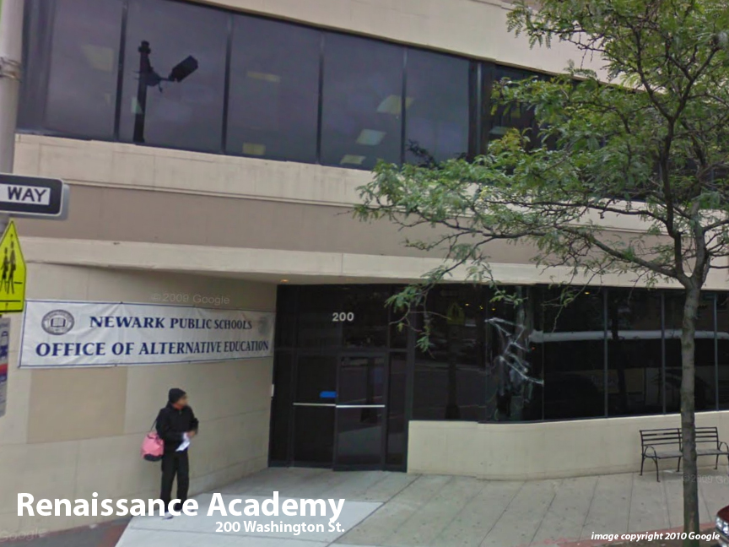
Facility Condition Index (FCI) Score = | 6%

Facility Condition = | GOOD

FCI Deficiency Cost = | $432,620

FCI Replacement Cost = | $6,990,525

CAPACITY UTILIZATION

Recent 2011/12 Enrollment = | NA

Historic 2005 LRFP Capacity = | NA

Adjusted 2012 Capacity = | 67

Recent Occupancy % = | NA

EDUCATION ADEQUECY

Classroom Adequacy % Score = | 83%

Classroom Adequacy = | FAIR

Special Spaces Adequacy % Score = | 0%

Special Spaces Adequacy = | VERY POOR

