FCI Summary
Building Name: | East Side High | 2012 LRFP CONDITION SUMMARY
Building Square Footage: | 303,421
Number of Floors: | B + 5
School Age (years): | 101

FACILITY CONDITION

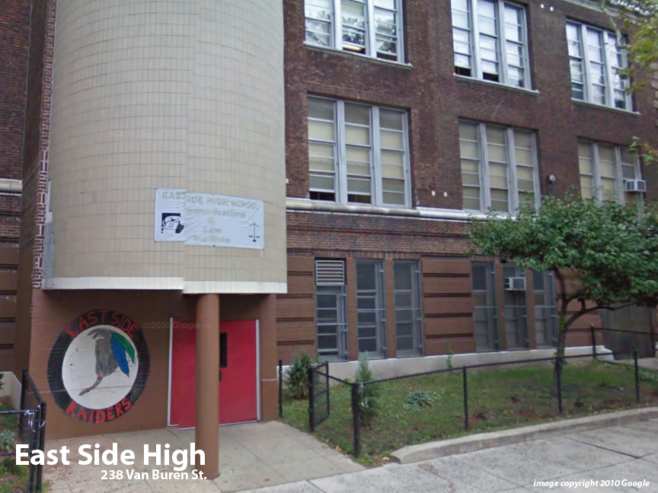
Facility Condition Index (FCI) Score = | 48%

Facility Condition = | POOR

FCI Deficiency Cost = | $32,758,518

FCI Replacement Cost = | $68,269,725

CAPACITY UTILIZATION

Recent 2012 Enrollment = | 1467

Historic 2005 LRFP Capacity = | 1165

Adjusted 2012 Capacity = | 1075

Recent Occupancy % = | 136%

EDUCATION ADEQUECY

Classroom Adequacy % Score = | 86%

Classroom Adequacy = | GOOD

Special Spaces Adequacy % Score = | 93%

Special Spaces Adequacy = | GOOD

