FCI Summary
Building Name: | Eagle Academy (L.A. Spencer)
Building Square Footage: | 191,950 | 2013 LRFP CONDITION SUMMARY
Number of Floors: | B + 3
School Age (years): | 36

FACILITY CONDITION

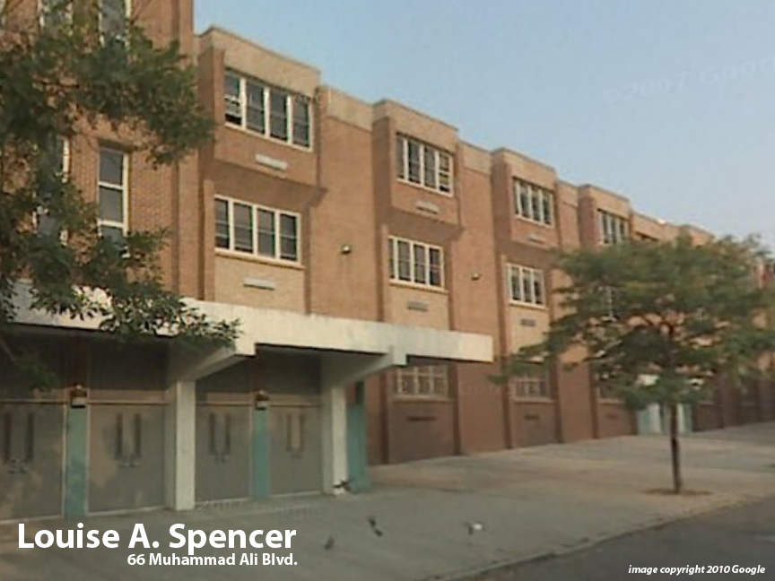
Facility Condition Index (FCI) Score = | 8%

Facility Condition = | GOOD

FCI Deficiency Cost = | $2,993,877

FCI Replacement Cost = | $39,589,688

CAPACITY UTILIZATION

Recent 2012 Enrollment = | 75

Historic 2005 LRFP Capacity = | NA

Adjusted 2012 Capacity = | 79

Recent Occupancy % = | 95%

EDUCATION ADEQUECY

Classroom Adequacy % Score = | 96%

Classroom Adequacy = | GOOD

Special Spaces Adequacy % Score = | 89%

Special Spaces Adequacy = | GOOD

