FCI Summary
Building Name: | EARLY COLLEGE H.S. | 2012 LRFP CONDITION SUMMARY
Building Square Footage: | 191,950
Number of Floors: | B + 3
School Age (years): | 36

FACILITY CONDITION

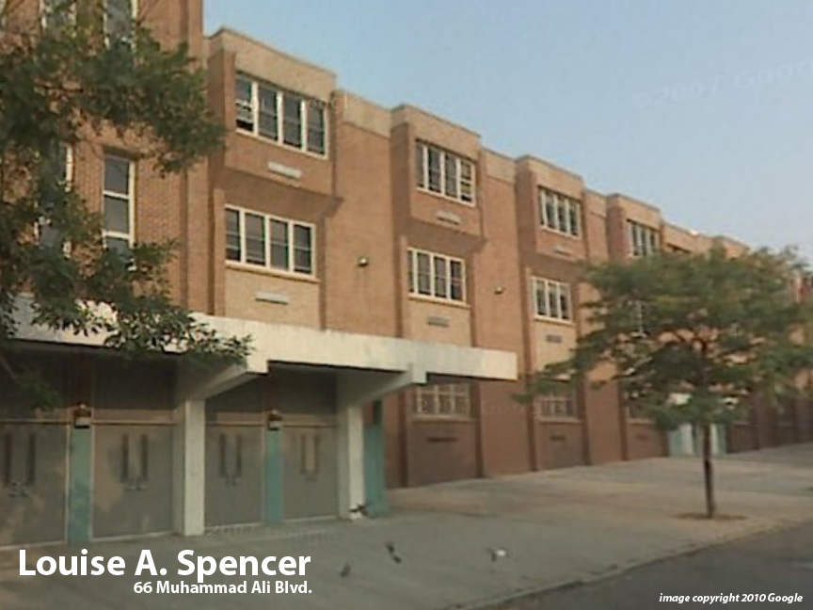
Facility Condition Index (FCI) Score = | 8%

Facility Condition = | GOOD

FCI Deficiency Cost = | $2,993,877

FCI Replacement Cost = | $39,589,688

CAPACITY UTILIZATION

Recent 2012 Enrollment = | 235

Historic 2005 LRFP Capacity = | NA

Adjusted 2012 Capacity = | 247

Recent Occupancy % = | 95%

EDUCATION ADEQUECY

Classroom Adequacy % Score = | 96%

Classroom Adequacy = | GOOD

Special Spaces Adequacy % Score = | 89%

Special Spaces Adequacy = | GOOD

