FCI Summary
Building Name: | Cleveland | 2012 LRFP CONDITION SUMMARY
Building Square Footage: | 76,515
Number of Floors: | Sub B + B + 4
School Age (years): | 100

FACILITY CONDITION

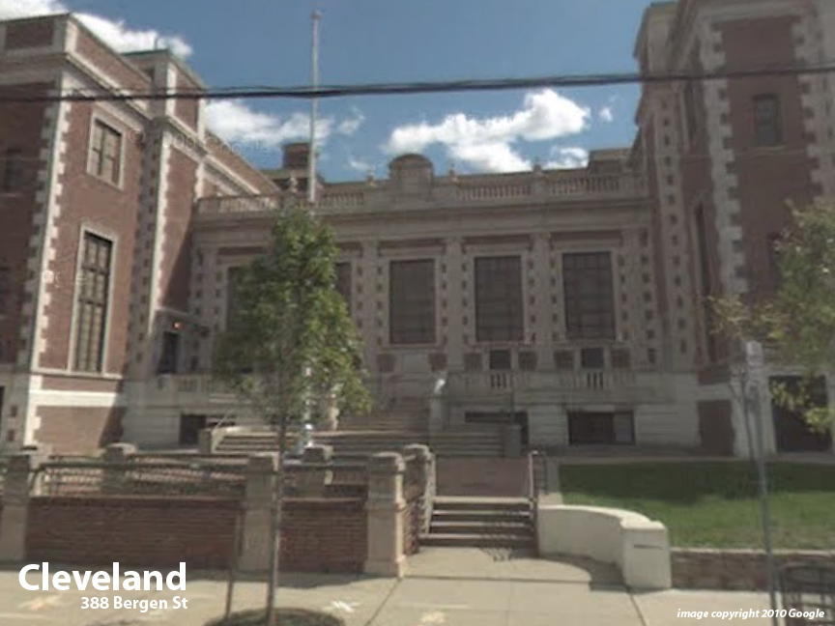
Facility Condition Index (FCI) Score = | 38%

Facility Condition = | POOR

FCI Deficiency Cost = | $5,928,582

FCI Replacement Cost = | $15,781,219

CAPACITY UTILIZATION

Recent 2012 Enrollment = | 445

Historic 2005 LRFP Capacity = | 373

Adjusted 2012 Capacity = | 665

Recent Occupancy % = | 67%

EDUCATION ADEQUECY

Classroom Adequacy % Score = | 96%

Classroom Adequacy = | VERY GOOD

Special Spaces Adequacy % Score = | 58%

Special Spaces Adequacy = | VERY POOR

