FCI Summary
Building Name: | Chancellor Avenue | 2012 LRFP CONDITION SUMMARY
Building Square Footage: | 92,773
Number of Floors: | B + 3
School Age (years): | 82

FACILITY CONDITION

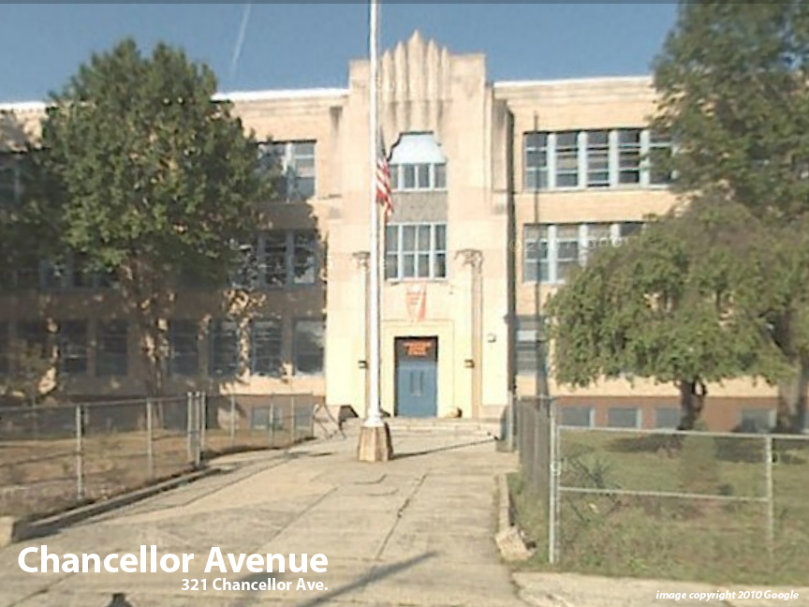
Facility Condition Index (FCI) Score = | 28%

Facility Condition = | FAIR

FCI Deficiency Cost = | $5,395,306

FCI Replacement Cost = | $19,134,431

CAPACITY UTILIZATION

Recent 2012 Enrollment = | 290

Historic 2005 LRFP Capacity = | 427

Adjusted 2012 Capacity = | 599

Recent Occupancy % = | 48%

EDUCATION ADEQUECY

Classroom Adequacy % Score = | 94%

Classroom Adequacy = | GOOD

Special Spaces Adequacy % Score = | 50%

Special Spaces Adequacy = | VERY POOR

