FCI Summary
Building Name: | Burnet Street (Off-Line) | 2012 LRFP CONDITION SUMMARY
Building Square Footage: | 84,999
Number of Floors: | 4
School Age (years): | 104

FACILITY CONDITION

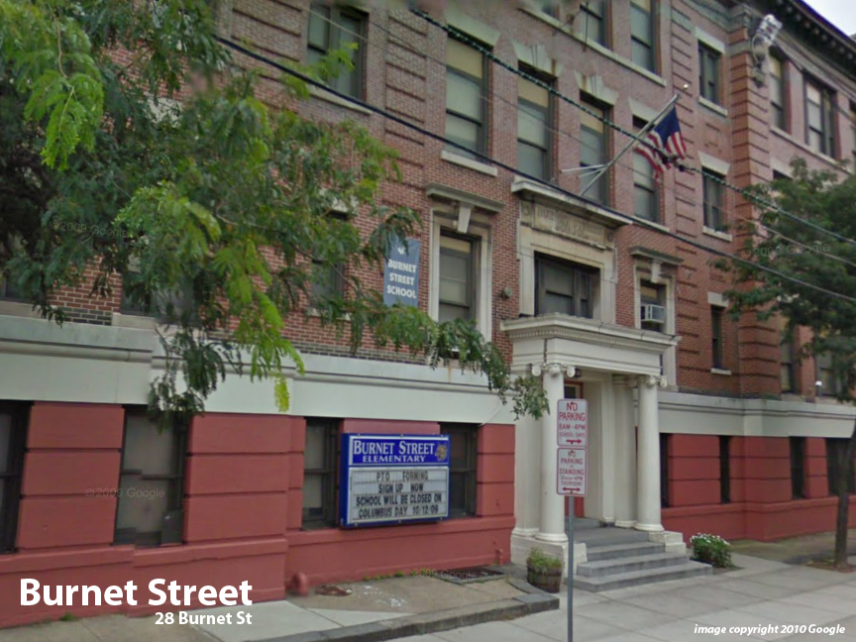
Facility Condition Index (FCI) Score = | 53%

Facility Condition = | VERY POOR

FCI Deficiency Cost = | $9,307,321

FCI Replacement Cost = | $17,531,044

CAPACITY UTILIZATION

Recent 2012 Enrollment = | 0

Historic 2005 LRFP Capacity = | 402

Adjusted 2012 Capacity = | 347

Recent Occupancy % = | 0%

EDUCATION ADEQUECY

Classroom Adequacy % Score = | 88%

Classroom Adequacy = | GOOD

Special Spaces Adequacy % Score = | 67%

Special Spaces Adequacy = | POOR

