FCI Summary
Building Name: | Samuel L. Berliner | 2012 LRFP CONDITION SUMMARY
Building Square Footage: | 38,882
Number of Floors: | 1
School Age (years): | 38

FACILITY CONDITION

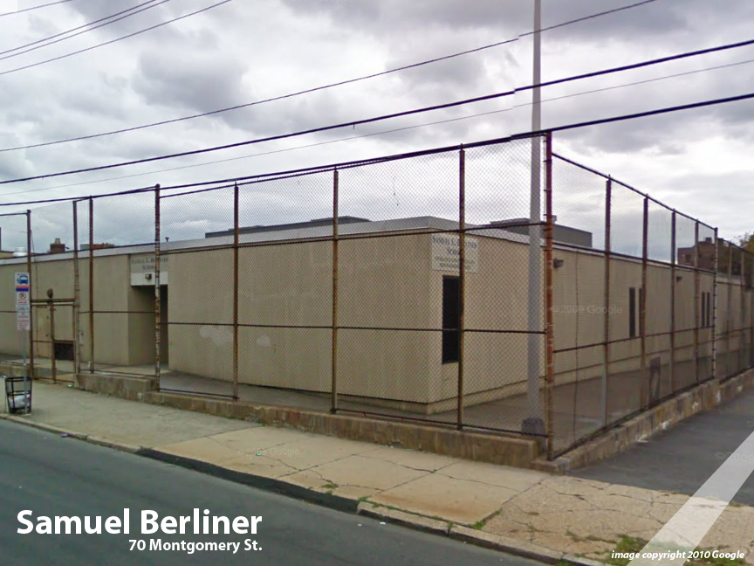
Facility Condition Index (FCI) Score = | 24%

Facility Condition = | FAIR

FCI Deficiency Cost = | $1,923,607

FCI Replacement Cost = | $8,019,413

CAPACITY UTILIZATION

Recent 2012 Enrollment = | 38

Historic 2005 LRFP Capacity = | 108

Adjusted 2012 Capacity = | 76

Recent Occupancy % = | 50%

EDUCATION ADEQUECY

Classroom Adequacy % Score = | 88%

Classroom Adequacy = | GOOD

Special Spaces Adequacy % Score = | 66%

Special Spaces Adequacy = | VERY POOR

