FCI Summary
Building Name: | Avon Avenue (Brick-Avon Academy) | 2012 LRFP CONDITION SUMMARY
Building Square Footage: | 91,081
Number of Floors: | B + 3
School Age (years): | ##

FACILITY CONDITION
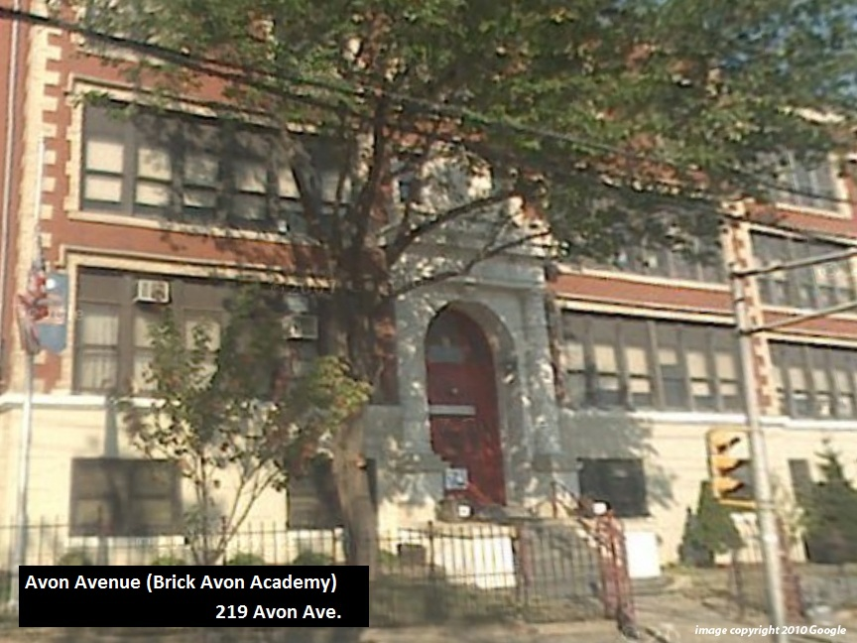
Facility Condition Index (FCI) Score = | 26%

Facility Condition = | FAIR

FCI Deficiency Cost = | $4,919,240

FCI Replacement Cost = | $18,785,456

CAPACITY UTILIZATION

Recent 2012 Enrollment = | 584

Historic 2005 LRFP Capacity = | 513

Adjusted 2012 Capacity = | 598

Recent Occupancy % = | 98%

EDUCATION ADEQUECY

Classroom Adequacy % Score = | 92%

Classroom Adequacy = | GOOD

Special Spaces Adequacy % Score = | 69%

Special Spaces Adequacy = | POOR

