FCI Summary
Building Name: | Ann Street | 2012 LRFP CONDITION SUMMARY
Building Square Footage: | 94,609
Number of Floors: | B + 5
School Age (years): | 121

FACILITY CONDITION

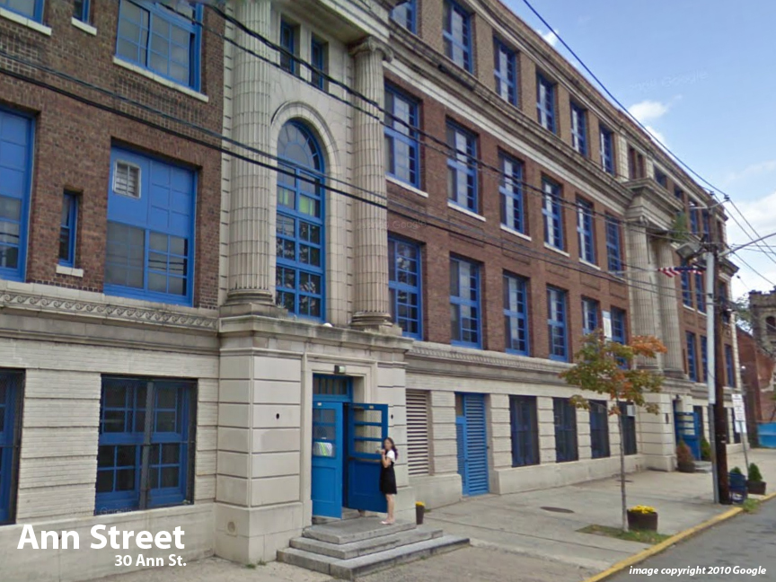
Facility Condition Index (FCI) Score = | 52%

Facility Condition = | VERY POOR

FCI Deficiency Cost = | $10,122,707

FCI Replacement Cost = | $19,513,106

CAPACITY UTILIZATION

Recent 2012 Enrollment = | 1340

Historic 2005 LRFP Capacity = | 794

Adjusted 2012 Capacity = | 720

Recent Occupancy % = | 186%

EDUCATION ADEQUECY

Classroom Adequacy % Score = | 83%

Classroom Adequacy = | FAIR

Special Spaces Adequacy % Score = | 56%

Special Spaces Adequacy = | VERY POOR

