FCI Summary
Building Name: | Abington Avenue | 2012 LRFP CONDITION SUMMARY
Building Square Footage: | 81,456
Number of Floors: | 4
School Age (years): | 112

FACILITY CONDITION

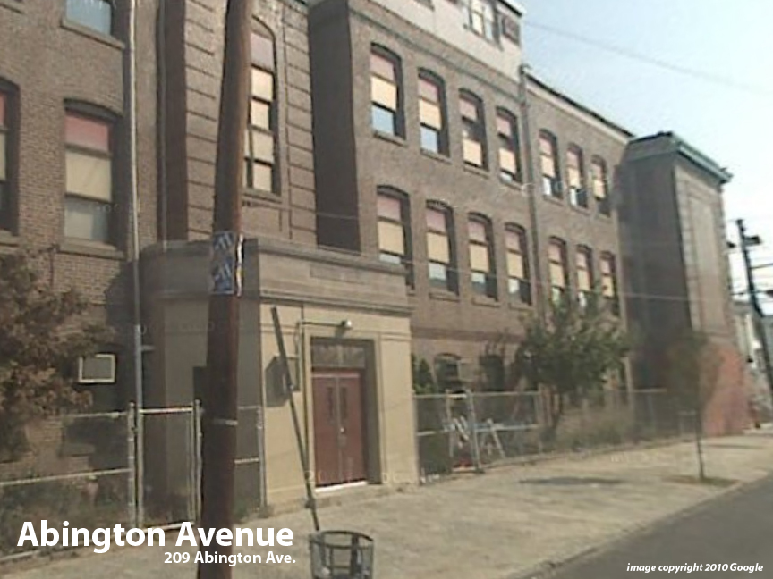
Facility Condition Index (FCI) Score = | 51%

Facility Condition = | POOR

FCI Deficiency Cost = | $8,550,032

FCI Replacement Cost = | $16,800,300

CAPACITY UTILIZATION

Recent 2012 Enrollment = | 767

Historic 2005 LRFP Capacity = | 651

Adjusted 2012 Capacity = | 661

Recent Occupancy % = | 116%

EDUCATION ADEQUECY

Classroom Adequacy % Score = | 89%

Classroom Adequacy = | GOOD

Special Spaces Adequacy % Score = | 58%

Special Spaces Adequacy = | VERY POOR

