FCI Summary
Building Name: | Thirteenth Ave | 2012 LRFP CONDITION SUMMARY
Building Square Footage: | 241,838
Number of Floors: | B + 4
School Age (years): | 41

FACILITY CONDITION

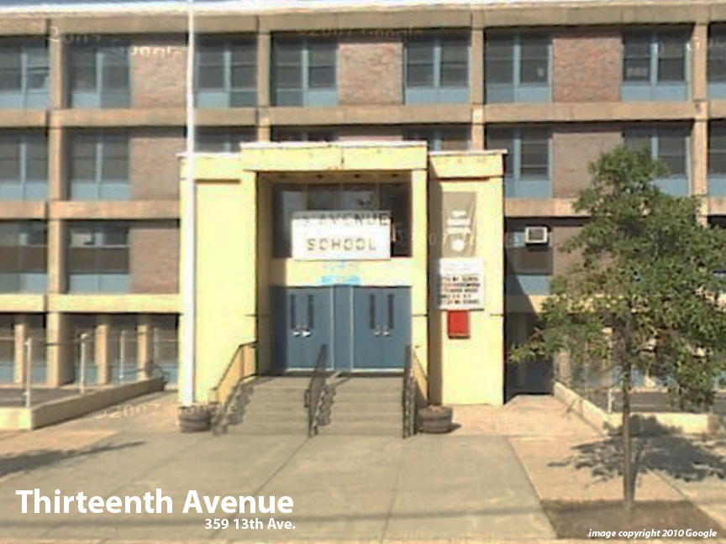
Facility Condition Index (FCI) Score = | 11%

Facility Condition = | GOOD

FCI Deficiency Cost = | $5,465,543

FCI Replacement Cost = | $49,879,088

CAPACITY UTILIZATION

Recent 2012 Enrollment = | 882

Historic 2005 LRFP Capacity = | 746

Adjusted 2012 Capacity = | 912

Recent Occupancy % = | 97%

EDUCATION ADEQUECY

Classroom Adequacy % Score = | 89%

Classroom Adequacy = | GOOD

Special Spaces Adequacy % Score = | 95%

Special Spaces Adequacy = | GOOD

